Sample Claim #1
Travel and Business Expense Reimbursement Claim |  |  |  |  |  | Page 1 of: | 1 | Form 2.19B
Refer to Fluvanna County Policy "2.19 - Travel and Business Expenses" for specific rules and requirements.
Claimant's Name |  |  | Claimant's Home Address |  |  |  | Department
Jane R. Traveler |  |  | 132 Main Street, Palmyra, VA 22963 |  |  |  | Administration
Travel / Expense Purpose (Attach Training/Conference Brochure or other explanatory information) |  |  |  |  |  | Travel Category (check one)
VACo Municipal Clerk's Conference in Virginia Beach, VA |  |  |  |  |  | XX | Overnight Travel
 |  |  |  |  |  |  | Day Travel (50+ miles one way)
 |  |  |  |  |  |  | Local Travel (within 50 miles)
TRAVEL DAY | 1 | 2 | 3 | 4 | 5 | 6 | 7
Date | 5-Aug-18 | 6-Aug-18 | 7-Aug-18 | 8-Aug-18
Sample #1
Departure Time | 14:00:00 |  |  | 11:00:00
Departed From | Home |  |  | Virginia Beach
Arrival Time | 17:00:00 |  |  | 16:00:00
Arrived At | Virginia Beach |  |  | Home
CATEGORY | ACTUAL EXPENSES (Receipts required, except for M&IE) |  |  |  |  |  |  | TOTAL
POV Mileage | 170 |  |  | 170 |  |  |  | $195.50
Airfare or Rail |  |  |  |  |  |  |  | $-
Car Rental |  |  |  |  |  |  |  | $-
Taxi/Bus |  |  |  |  |  |  |  | $-
Parking & Tolls | $10.00 | $10.00 | $10.00 |  |  |  |  | $30.00
Lodging | $137.00 | $137.00 | $137.00 |  |  |  |  | $411.00
M&IE Per Diem | $44.25 | $59.00 | $59.00 | $44.25 |  |  |  | $206.50
Conf./Registration Fee | $225.00 |  |  |  |  |  |  | $225.00
 |  |  |  |  |  |  |  | $-
 |  |  |  |  |  |  |  | $-
 |  |  |  |  |  |  |  | $-
Mileage rate per mile effective Jan 1, 2020 | $0.575 | Normal commuting mileage to / from home is not reimbursable. |  |  |  | Less Travel Advance Rcvd |  | $200.00
Lodging and Conference Fee paid in advance with my County credit card. TRAVEL ADVANCE of $200.00 received prior to travel. |  |  |  |  | Less County Prepaid Expenses |  |  | $636.00
 |  |  |  |  | TOTAL REIMBURSEMENT REQUEST |  |  | $232.00
I certify this claim is true to the best of my knowledge, that no part of the amounts claimed have been paid (unless otherwise noted), and that all expenditures claimed were made in the discharge of official duties. |  |  | I have reviewed this travel claim. |  |  | I approve submission of this travel claim to Finance for final review and processing.
Claimant Signature and Date |  |  | Supervisor / Dept Head Signature and Date |  |  | Approving Official Signature and Date

Reimbursement Category |  |  | Org # |  | Object # |  | Total

Sample Claim #2
Travel and Business Expense Reimbursement Claim |  |  |  |  |  | Page 1 of: | 1 | Form 2.19B
Refer to Fluvanna County Policy "2.19 - Travel and Business Expenses" for specific rules and requirements.
Claimant's Name |  |  | Claimant's Home Address |  |  |  | Department
John G. Gogetter |  |  | 132 Main Street, Palmyra, VA 22963 |  |  |  | Finance
Travel / Expense Purpose (Attach Training/Conference Brochure or other explanatory information) |  |  |  |  |  | Travel Category (check one)
2017 VACo Conference in Hot Springs, VA |  |  |  |  |  | XX | Overnight Travel
 |  |  |  |  |  |  | Day Travel (50+ miles one way)
 |  |  |  |  |  |  | Local Travel (within 50 miles)
TRAVEL DAY | 1 | 2 | 3 | 4 | 5 | 6 | 7
Date | 12-Nov-17 | 13-Nov-17 | 14-Nov-17
Sample #2
Departure Time | 9:00:00 |  | 11:00:00
Departed From | Home |  | Hot Springs VA
Arrival Time | 11:00:00 |  | 13:00:00
Arrived At | Hot Springs VA |  | Office
CATEGORY | ACTUAL EXPENSES (Receipts required, except for M&IE) |  |  |  |  |  |  | TOTAL
POV Mileage | 108 |  | 108 |  |  |  |  | $124.20
Airfare or Rail |  |  |  |  |  |  |  | $-
Car Rental |  |  |  |  |  |  |  | $-
Taxi/Bus |  |  |  |  |  |  |  | $-
Parking & Tolls |  |  |  |  |  |  |  | $-
Lodging | $290.22 | $290.22 |  |  |  |  |  | $580.44
M&IE Per Diem |  |  |  |  |  |  |  | $-
Conf./Registration Fee | $225.00 |  |  |  |  |  |  | $225.00
 |  |  |  |  |  |  |  | $-
 |  |  |  |  |  |  |  | $-
 |  |  |  |  |  |  |  | $-
Mileage rate per mile effective Jan 1, 2020 | $0.575 | Normal commuting mileage to / from home is not reimbursable. |  |  |  | Less Travel Advance Rcvd |  | $-
Lodging and Conference Fee paid with my County credit card. Meals included in room rate. |  |  |  |  | Less County Prepaid Expenses |  |  | $805.44
 |  |  |  |  | TOTAL REIMBURSEMENT REQUEST |  |  | $124.20
I certify this claim is true to the best of my knowledge, that no part of the amounts claimed have been paid (unless otherwise noted), and that all expenditures claimed were made in the discharge of official duties. |  |  | I have reviewed this travel claim. |  |  | I approve submission of this travel claim to Finance for final review and processing.
Claimant Signature and Date |  |  | Supervisor / Dept Head Signature and Date |  |  | Approving Official Signature and Date

Reimbursement Category |  |  | Org # |  | Object # |  | Total

Sample Claim #3
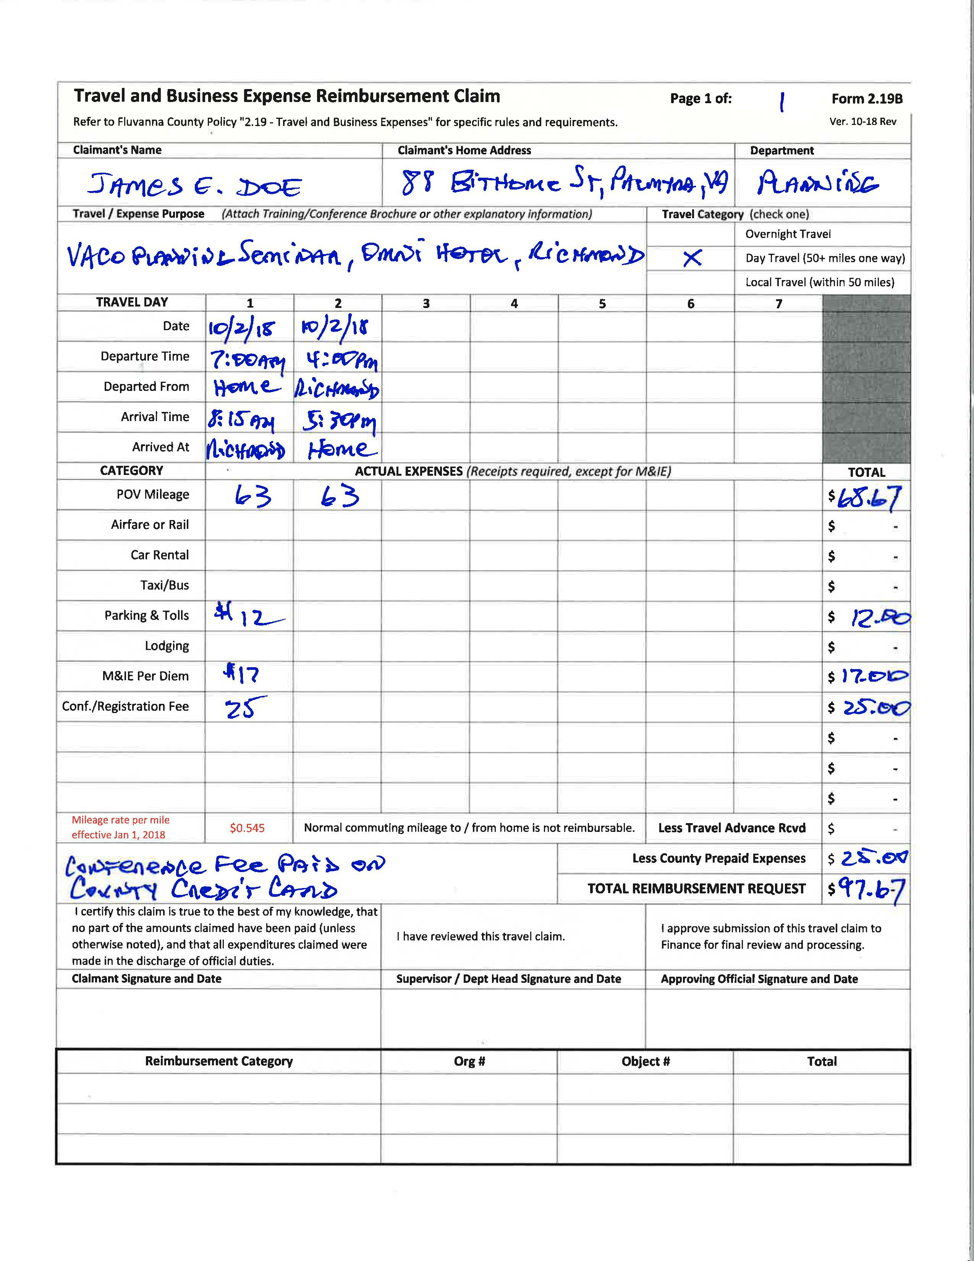

Sample #3

